CIS Controls for Security Asses
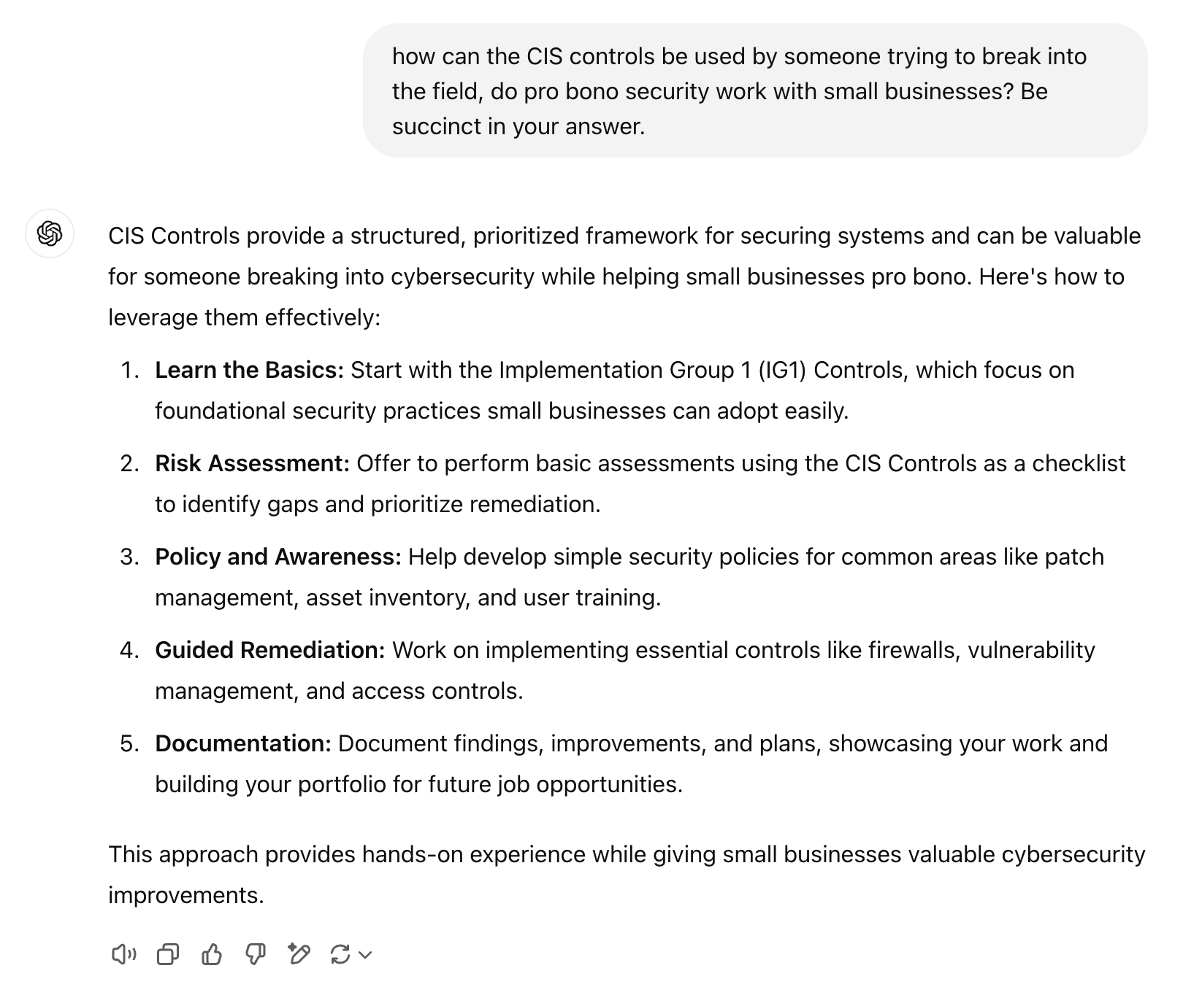
CIS Controls for Security Assessment

